Solutions - Distributions
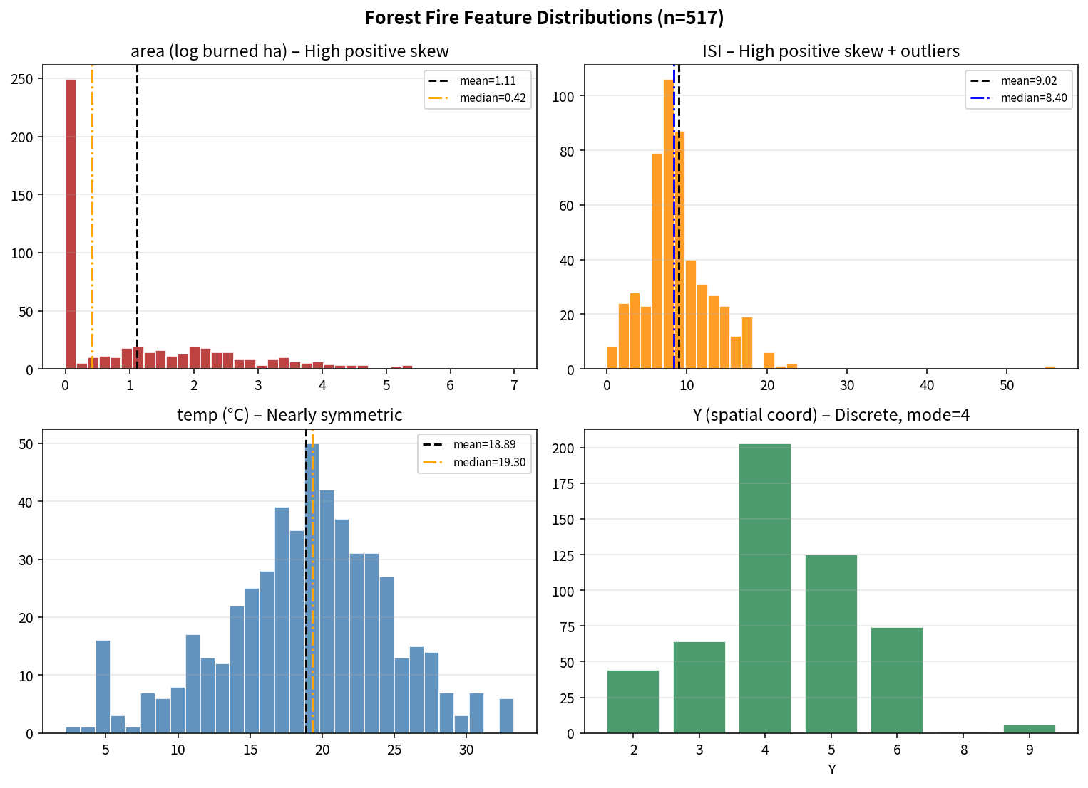
Exercise 1 – Plotting Distributions (SOLUTIONS)

1. Which chart for the area column?
Histogram (or density plot). Area is a continuous numeric feature. A histogram shows the frequency of different burned-area sizes and immediately reveals the heavy right skew and the large mass of near-zero values.

2–3. Interpretations of each distribution
Feature | Most frequent values | Centre of mass | Skew? | Outliers?
area | 0 (many tiny fires <100 m²) | Mean≈1.11, Median≈0.42 → pulled right | High positive (skew≈1.22) | Yes – long right tail of large fires
ISI | Around 7–10 | Mean≈9.02, Median≈8.40 | High positive (skew≈2.54) | Yes – extreme values up to 56
temp | Around 18–22 °C | Mean≈18.9, Median≈19.3 (almost equal) | Small negative (skew≈–0.33) | Few; roughly symmetric
Y | 4 (mode), then 5 | Mean≈4.30, Median=4, Mode=4 | Small positive (skew≈0.42) | Y=8,9 rare; discrete not continuous

How Y differs from the others
Y is a discrete spatial coordinate (integers 2–9). Therefore a column/bar chart of counts is appropriate, not a continuous histogram. Sorting by Y produces ordered bars that show the clear peak at Y=4.

Solutions - Correlation
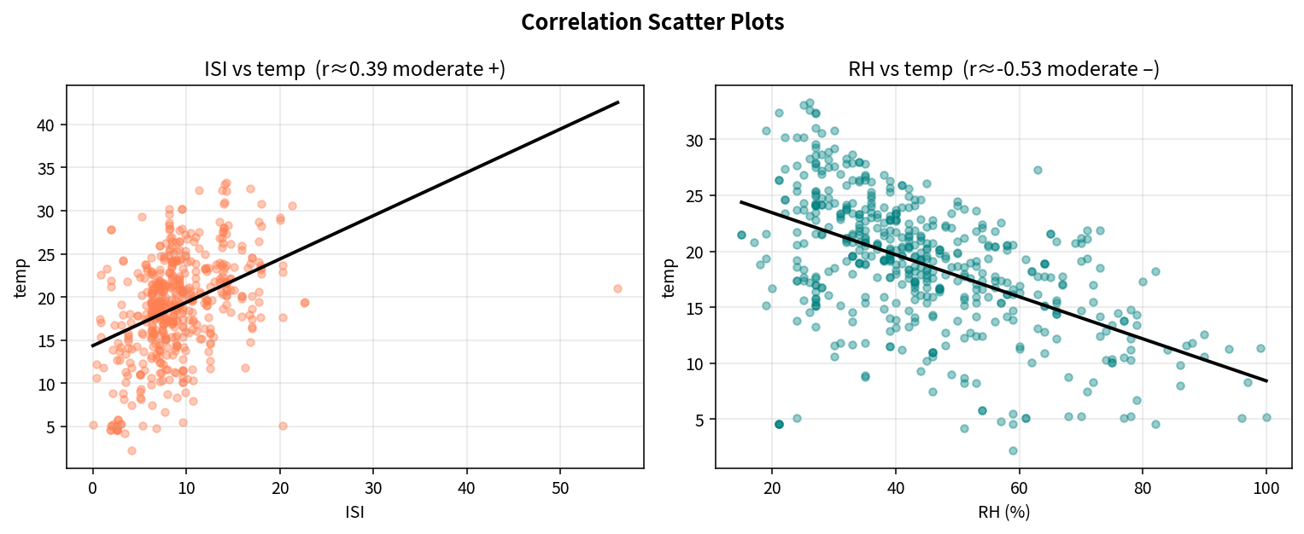
Exercise 3 – Correlation (SOLUTIONS)

Formulas
CORREL(range1, range2)

Features | Correlation (r) | Strength | Sign | Plot interpretation
ISI – temp | 0.39428710421 | Moderate | Positive | Points show a moderate upward trend. Higher Initial Spread Index tends to occur with higher temperatures.
RH – temp | -0.52739033864 | Moderate | Negative | Clear downward trend. Higher relative humidity is associated with lower temperatures (classic inverse relationship).

Expected values
ISI – temp ≈ +0.394 (Moderate positive)
RH – temp ≈ –0.527 (Moderate negative)

Were the plot interpretations correct?
Yes. Both relationships are moderate in strength. ISI–temp has a positive slope; RH–temp has a negative slope. Neither is strong enough to be deterministic, but both are practically useful for fire-weather awareness.

